Sheet1
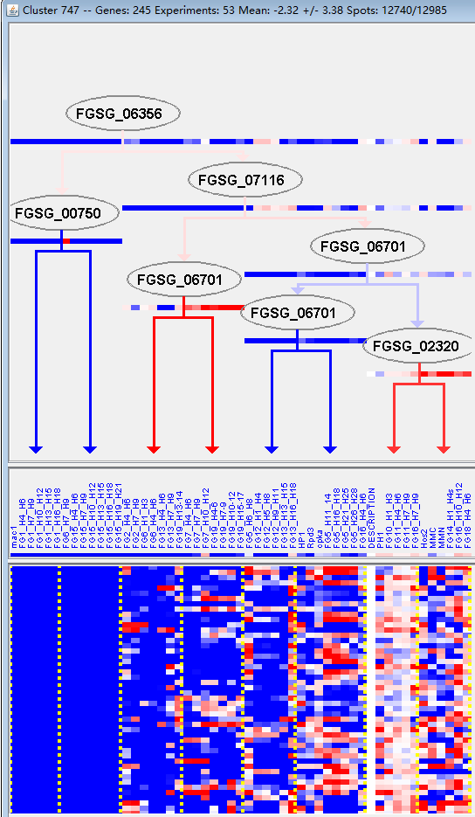
k | Filter | FUNCTIONAL CATEGORY | abs SET | rel SET | genes SET | abs GENOME | rel GENOME | rel SET/rel GENOME | P-VALUE | Bonferroni_corr | FDR
02.13.01 anaerobic respiration | 3 | 1.39 | FGSG_00765 FGSG_04458 FGSG_08402 | 9 | 0.06 | 23.16666667 | 0.000290686
01.05.06.07 C-2 compound and organic acid catabolism | 5 | 2.32 | FGSG_00330 FGSG_02034 FGSG_02291 FGSG_09896 FGSG_11113 | 39 | 0.28 | 8.285714286 | 0.000324899
20.01.13 lipid/fatty acid transport | 9 | 4.18 | FGSG_00116 FGSG_00840 FGSG_04182 FGSG_03248 FGSG_03168 FGSG_09210 FGSG_13562 FGSG_11044 FGSG_11272 | 141 | 1.01 | 4.138613861 | 0.000357383
20.01.07 amino acid/amino acid derivatives transport | 8 | 3.72 | FGSG_00116 FGSG_00136 FGSG_04182 FGSG_03778 FGSG_03749 FGSG_05574 FGSG_06508 FGSG_13562 | 120 | 0.86 | 4.325581395 | 0.000567963
01.05.06 C-2 compound and organic acid metabolism | 5 | 2.32 | FGSG_00330 FGSG_02034 FGSG_02291 FGSG_09896 FGSG_11113 | 45 | 0.32 | 7.25 | 0.000639271
20.01.03 C-compound and carbohydrate transport | 14 | 6.51 | FGSG_00116 FGSG_00840 FGSG_01580 FGSG_02281 FGSG_04431 FGSG_03336 FGSG_03248 FGSG_03168 FGSG_03162 FGSG_03083 FGSG_03009 FGSG_02978 FGSG_06108 FGSG_09374 | 332 | 2.4 | 2.7125 | 0.000704469
01.05 C-compound and carbohydrate metabolism | 38 | 17.6 | FGSG_00330 FGSG_00840 FGSG_01298 FGSG_01430 FGSG_01580 FGSG_02034 FGSG_02083 FGSG_02281 FGSG_02291 FGSG_02321 FGSG_02326 FGSG_02327 FGSG_02328 FGSG_03816 FGSG_03626 FGSG_03430 FGSG_03247 FGSG_03168 FGSG_03061 FGSG_02978 FGSG_04888 FGSG_05175 FGSG_07191 FGSG_07596 FGSG_07838 FGSG_07892 FGSG_08817 FGSG_08601 FGSG_09373 FGSG_09374 FGSG_09896 FGSG_09940 FGSG_10135 FGSG_13708 FGSG_10545 FGSG_10561 FGSG_11113 FGSG_11081 | 1547 | 11.1 | 1.585585586 | 0.002843043
34 INTERACTION WITH THE ENVIRONMENT | 23 | 10.6 | FGSG_00136 FGSG_00444 FGSG_00986 FGSG_01298 FGSG_01341 FGSG_01350 FGSG_04182 FGSG_03778 FGSG_03749 FGSG_03744 FGSG_03626 FGSG_03168 FGSG_05574 FGSG_08817 FGSG_08456 FGSG_08402 FGSG_08985 FGSG_13562 FGSG_10167 FGSG_10547 FGSG_10561 FGSG_10608 FGSG_11272 | 832 | 6.01 | 1.763727121 | 0.005268395
34.01.01 homeostasis of cations | 11 | 5.11 | FGSG_00444 FGSG_00986 FGSG_01341 FGSG_01350 FGSG_03744 FGSG_03168 FGSG_05574 FGSG_08985 FGSG_10167 FGSG_10547 FGSG_11272 | 290 | 2.09 | 2.444976077 | 0.00575803
34.01 homeostasis | 12 | 5.58 | FGSG_00444 FGSG_00986 FGSG_01341 FGSG_01350 FGSG_03744 FGSG_03168 FGSG_05574 FGSG_08402 FGSG_08985 FGSG_10167 FGSG_10547 FGSG_11272 | 336 | 2.43 | 2.296296296 | 0.006398289
02.16 fermentation | 6 | 2.79 | FGSG_00330 FGSG_02034 FGSG_02291 FGSG_03162 FGSG_03061 FGSG_09896 | 109 | 0.78 | 3.576923077 | 0.007083759
32.05.05 virulence, disease factors | 9 | 4.18 | FGSG_02326 FGSG_03962 FGSG_03336 FGSG_03009 FGSG_05039 FGSG_05177 FGSG_05471 FGSG_10561 FGSG_10922 | 222 | 1.6 | 2.6125 | 0.007989663
20.01 transported compounds (substrates) | 37 | 17.2 | FGSG_00116 FGSG_00136 FGSG_00765 FGSG_00840 FGSG_01580 FGSG_01915 FGSG_02281 FGSG_02322 FGSG_02327 FGSG_04458 FGSG_04431 FGSG_04182 FGSG_03778 FGSG_03749 FGSG_03744 FGSG_03741 FGSG_03626 FGSG_03427 FGSG_03336 FGSG_03248 FGSG_03168 FGSG_03162 FGSG_03083 FGSG_03009 FGSG_02978 FGSG_05574 FGSG_06108 FGSG_06508 FGSG_07596 FGSG_08985 FGSG_09210 FGSG_13562 FGSG_09373 FGSG_09374 FGSG_10547 FGSG_11044 FGSG_11272 | 1597 | 11.5 | 1.495652174 | 0.008361582
34.11 cellular sensing and response to external stimulus | 12 | 5.58 | FGSG_00136 FGSG_01298 FGSG_01350 FGSG_04182 FGSG_03778 FGSG_03749 FGSG_03626 FGSG_08817 FGSG_08456 FGSG_13562 FGSG_10561 FGSG_10608 | 350 | 2.53 | 2.205533597 | 0.008722399
16.21.05 FAD/FMN binding | 7 | 3.25 | FGSG_00712 FGSG_02321 FGSG_02327 FGSG_03626 FGSG_07596 FGSG_08402 FGSG_09373 | 151 | 1.09 | 2.981651376 | 0.009343747
32 CELL RESCUE, DEFENSE AND VIRULENCE | 34 | 15.8 | FGSG_00765 FGSG_01298 FGSG_01341 FGSG_01350 FGSG_02291 FGSG_02322 FGSG_02326 FGSG_02327 FGSG_02328 FGSG_04640 FGSG_04458 FGSG_04182 FGSG_03962 FGSG_03744 FGSG_03741 FGSG_03336 FGSG_03248 FGSG_03009 FGSG_05039 FGSG_05177 FGSG_05471 FGSG_06692 FGSG_07596 FGSG_07608 FGSG_08402 FGSG_13562 FGSG_09373 FGSG_10167 FGSG_10547 FGSG_10561 FGSG_11113 FGSG_10922 FGSG_10772 FGSG_11272 | 1452 | 10.5 | 1.504761905 | 0.009853941
34.11.12 perception of nutrients and nutritional adaptation | 5 | 2.32 | FGSG_00136 FGSG_01350 FGSG_03778 FGSG_03749 FGSG_10561 | 88 | 0.63 | 3.682539683 | 0.011986785
32.05 disease, virulence and defense | 15 | 6.97 | FGSG_00765 FGSG_02322 FGSG_02326 FGSG_04458 FGSG_03962 FGSG_03336 FGSG_03009 FGSG_05039 FGSG_05177 FGSG_05471 FGSG_10547 FGSG_10561 FGSG_11113 FGSG_10922 FGSG_11272 | 507 | 3.66 | 1.904371585 | 0.012988837
20.03 transport facilities | 21 | 9.76 | FGSG_00116 FGSG_00840 FGSG_01580 FGSG_02322 FGSG_04431 FGSG_03744 FGSG_03427 FGSG_03336 FGSG_03248 FGSG_03168 FGSG_03162 FGSG_03083 FGSG_03009 FGSG_02978 FGSG_06108 FGSG_08985 FGSG_09210 FGSG_09267 FGSG_09374 FGSG_10547 FGSG_11272 | 808 | 5.84 | 1.671232877 | 0.014532569
30.01.09.03 Ca2+ mediated signal transduction | 3 | 1.39 | FGSG_00444 FGSG_01341 FGSG_01350 | 34 | 0.24 | 5.791666667 | 0.015567098
34.01.01.01 homeostasis of metal ions (Na, K, Ca etc.) | 8 | 3.72 | FGSG_00444 FGSG_00986 FGSG_03744 FGSG_05574 FGSG_08985 FGSG_10167 FGSG_10547 FGSG_11272 | 208 | 1.5 | 2.48 | 0.016171419
20.09.18.07 non-vesicular cellular import | 9 | 4.18 | FGSG_02281 FGSG_04431 FGSG_04182 FGSG_03744 FGSG_03168 FGSG_03083 FGSG_05574 FGSG_06508 FGSG_13562 | 278 | 2.01 | 2.07960199 | 0.030006695
01.08.04 regulation of the metabolism of intercellular mediators | 1 | 0.46 | FGSG_00883 | 2 | 0.01 | 46 | 0.030860117
02.09 anaplerotic reactions | 1 | 0.46 | FGSG_07191 | 2 | 0.01 | 46 | 0.030860117
02.16.09 mixed acid and butanediol fermentation | 1 | 0.46 | FGSG_03061 | 2 | 0.01 | 46 | 0.030860117
18.02.10 regulation of channel activity | 1 | 0.46 | FGSG_00444 | 2 | 0.01 | 46 | 0.030860117
01.03.16.03 DNA degradation | 2 | 0.93 | FGSG_01580 FGSG_09374 | 18 | 0.13 | 7.153846154 | 0.031269121
34.11.03.11 pH response | 2 | 0.93 | FGSG_01298 FGSG_10561 | 20 | 0.14 | 6.642857143 | 0.038053787
20.03.22 transport ATPases | 5 | 2.32 | FGSG_03744 FGSG_08985 FGSG_09210 FGSG_09267 FGSG_11272 | 123 | 0.88 | 2.636363636 | 0.043015829
34.11.03 chemoperception and response | 6 | 2.79 | FGSG_01298 FGSG_04182 FGSG_03626 FGSG_08817 FGSG_13562 FGSG_10561 | 165 | 1.19 | 2.344537815 | 0.044180094
02.16.13 acetate fermentation | 1 | 0.46 | FGSG_00330 | 3 | 0.02 | 23 | 0.045932822
20.01.01.07.08 organic anion transport | 1 | 0.46 | FGSG_10547 | 3 | 0.02 | 23 | 0.045932822

02.13.01厌氧呼吸
01.05.06.07 C-2化合物和有机酸分解代谢

